Summary
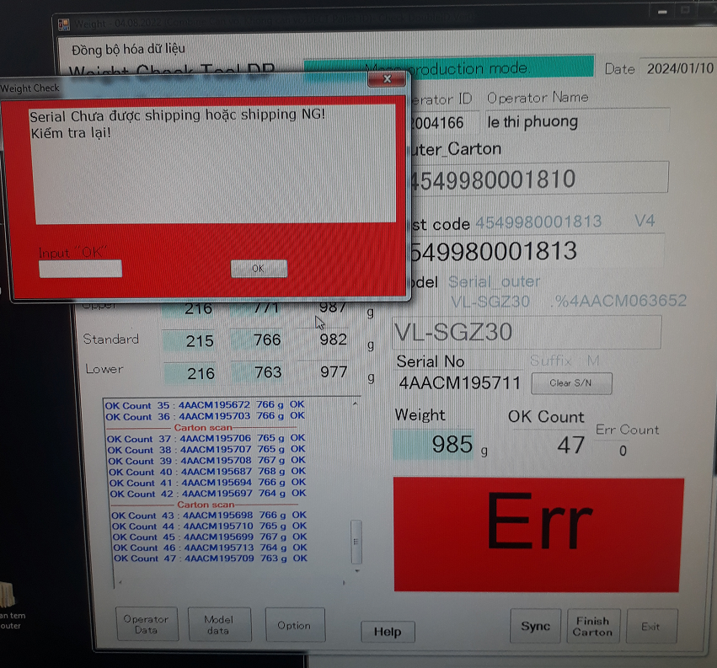
Summary the frequency of no linked from auto shipment to weigh check
Line | Weigh check software | Problem Item | Apr.23 | May.23 | Jun.23 | July.23 | Aug.23 | Sep.23 | Oct.23 | Nov.23 | Dec.23 | Jan.24 | Total
1M | Normal soft | Frequency | 1 |  | 2 | 3 |  | 2 |  | 1 |  |  | 9
 |  | Time stop line | 5 | 0 | 10 | 15 | 0 | 10 | 0 | 5 | 0 | 0 | 45
2M | Normal soft | Frequency |  |  |  |  |  |  |  |  |  | 4 | 4
 |  | Time stop line |  |  |  |  |  |  |  |  |  | 40 | 40
3M | Normal soft | Frequency | 2 | 1 | 3 | 2 | 1 | 4 | 2 | 3 | 2 | 0 | 20
 |  | Time stop line | 10 | 5 | 15 | 10 | 5 | 20 | 10 | 15 | 10 | 0 | 100
4M | Double ID soft | Frequency | 9 | 7 | 6 | 7 | 6 | 8 | 5 | 8 | 6 | 2 | 64
 |  | Time stop line | 90 | 70 | 60 | 70 | 60 | 80 | 50 | 80 | 60 | 20 | 640
Top 4 affect
concern check
double ID
5M | Double ID soft | Frequency | 16 | 12 | 14 | 11 | 13 | 15 | 12 | 12 | 13 | 6 | 124
 |  | Time stop line | 320 | 240 | 280 | 220 | 260 | 300 | 240 | 240 | 260 | 120 | 3,100
6M | Double ID soft | Frequency | 14 | 14 | 12 | 13 | 14 | 15 | 17 | 14 | 13 | 5 | 131
 |  | Time stop line | 280 | 280 | 240 | 260 | 280 | 300 | 340 | 280 | 260 | 100 | 2,620
7M | Double ID soft | Frequency | 3 | 4 |  | 5 | 4 | 3 | 5 | 2 | 2 | 1 | 29
 |  | Time stop line | 15 | 20 | 0 | 25 | 20 | 15 | 25 | 10 | 10 | 5 | 145
6OP | Double ID soft | Frequency | 8 | 10 | 10 | 9 | 7 | 10 | 12 | 12 | 10 | 4 | 92
 |  | Time stop line | 120 | 150 | 150 | 135 | 105 | 150 | 180 | 180 | 150 | 60 | 1,380
8C | Double ID soft | Frequency |  |  |  |  |  |  |  |  |  |  | -
 |  | Time stop line |  |  |  |  |  |  |  |  |  |  | -
6JY | Double ID soft | Frequency | 4 | 3 | 4 | 5 | 5 | 6 | 4 | 8 | 5 | 1 | 45
 |  | Time stop line | 20 | 15 | 20 | 25 | 25 | 30 | 20 | 40 | 25 | 5 | 225
2OD | Normal soft | Frequency |  |  |  |  |  |  |  |  |  |  | -
 |  | Time stop line |  |  |  |  |  |  |  |  |  |  | -
3VM | Double ID soft | Frequency | 3 | 2 | 4 |  | 5 | 4 | 3 | 4 | 3 | 4 | 32
 |  | Time stop line | 15 | 10 | 20 | 0 | 25 | 20 | 15 | 20 | 15 | 20 | 160
General total |  | Total frequency | 60 | 53 | 55 | 55 | 55 | 67 | 60 | 64 | 54 | 27 | 550
 |  | Total time stop | 875 | 790 | 795 | 760 | 780 | 925 | 880 | 870 | 790 | 370 | 8,455
 |  | Lost cost (0.048$/min | 42 | 37.92 | 38.16 | 36.48 | 37.44 | 44.4 | 42.24 | 41.76 | 37.92 | 17.76 | 405.84

